Marketing
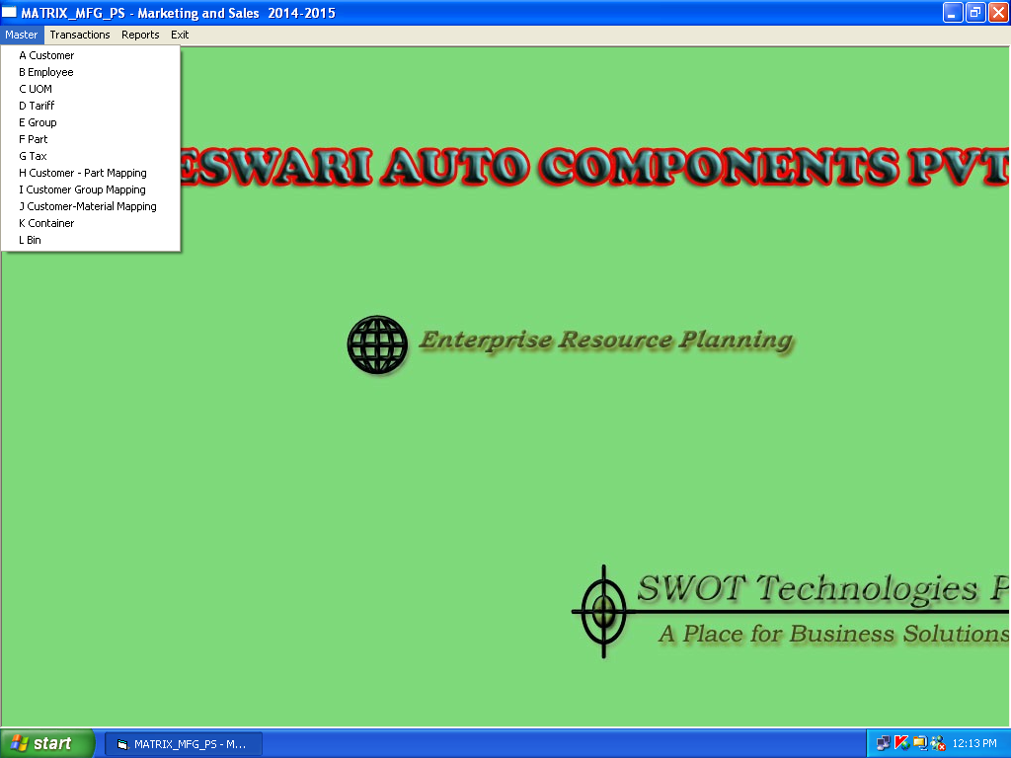

Customer
Employee
UOM
Part
Customer part mapping

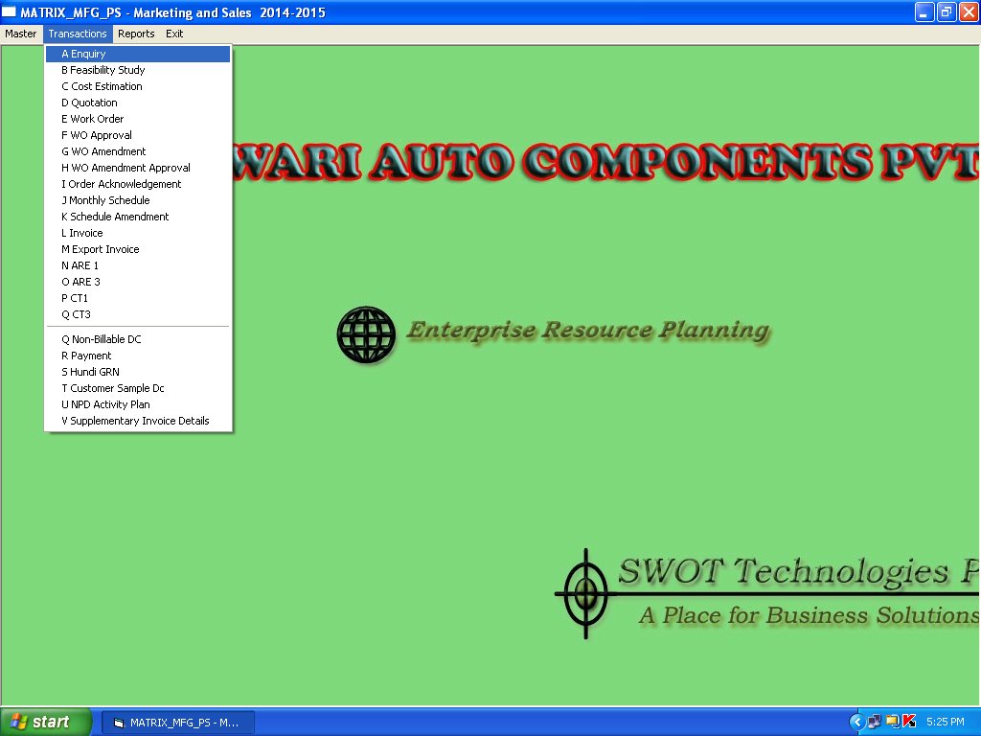

Work Order
Worke order approval
Invoice
Export Invoice

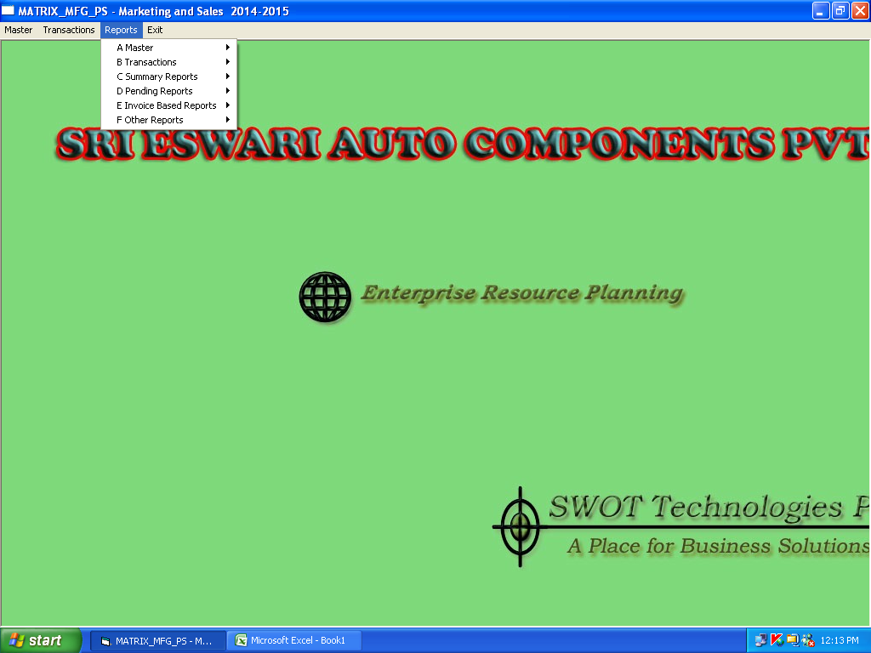

master
Transaction

Purchase
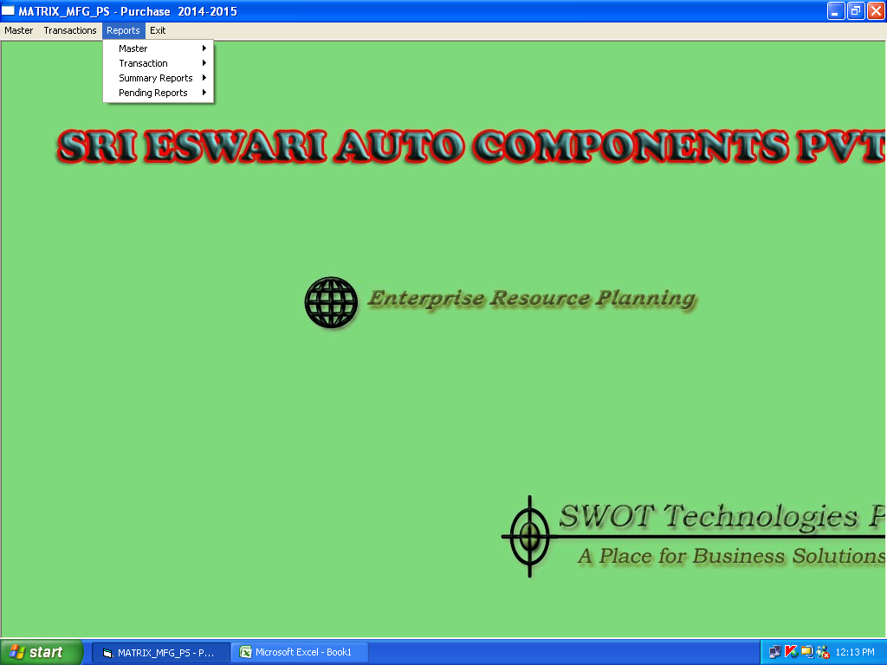
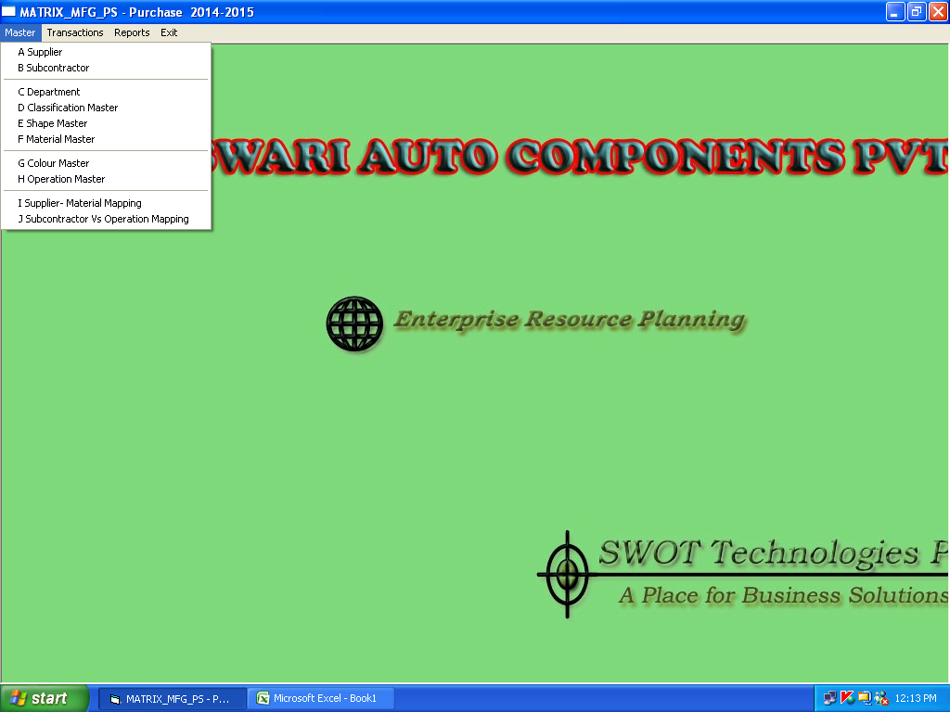

Supplier
Subcontractor
material master
supplier- material mapping
suncontractor - operation mapping

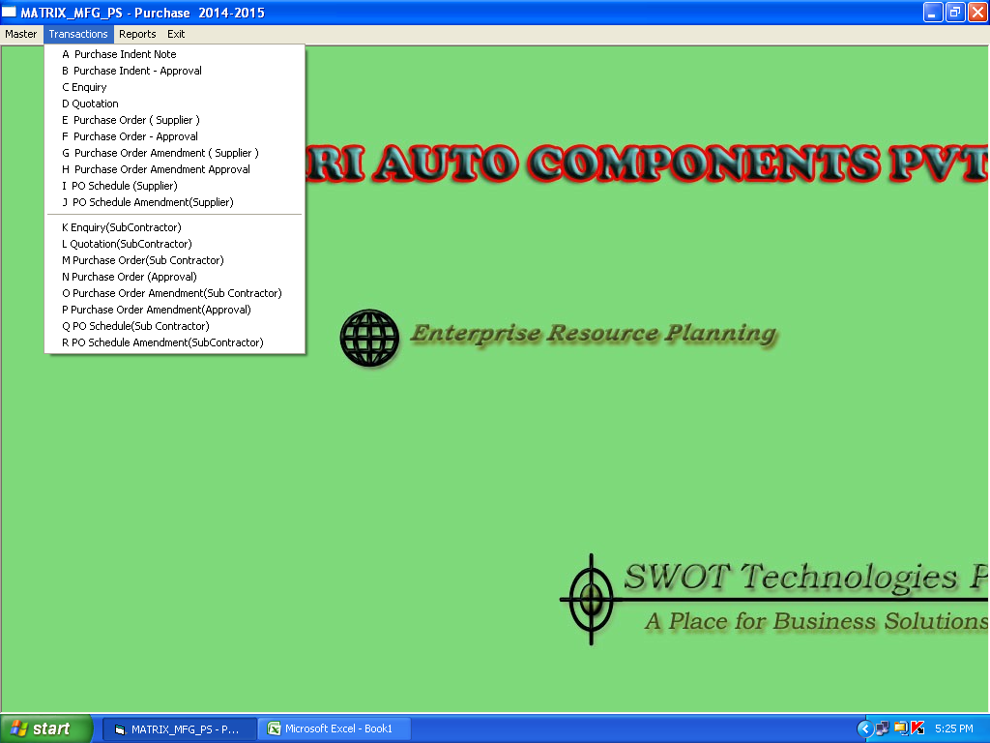

Purchase Order ( supplier)
Purcahse order Amendment( supplier)
Purchase Order ( supplier- General)

Stores

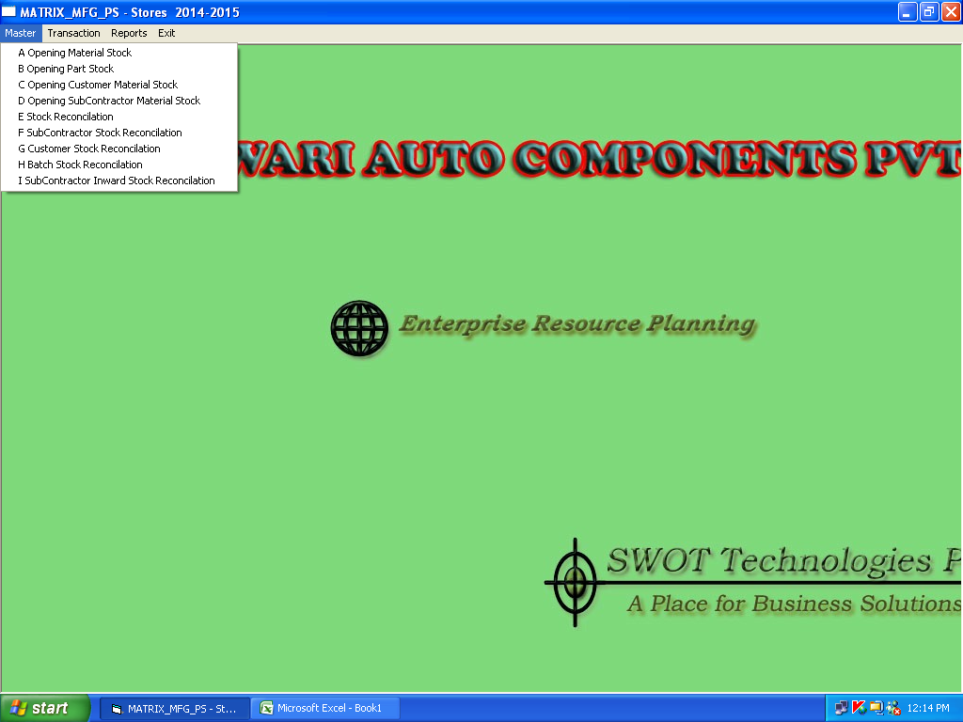

Opening Material stock
Opening part stock
Opening subcontactor material stock
Stock reconcilation
sunb contractor Stock reconcilation

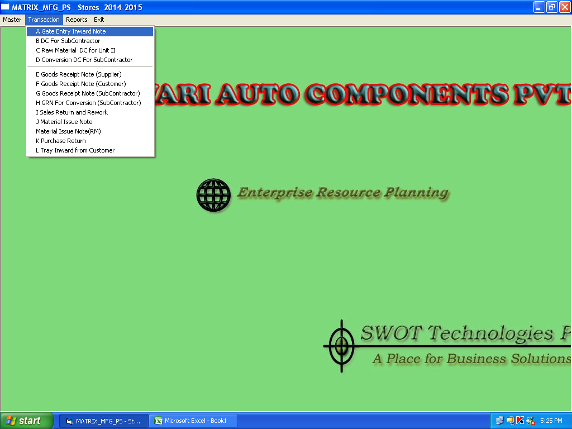

DC for Subcontractor
Goods receipt note ( supplier)
Goods receipt note ( subcontractor)

Prod
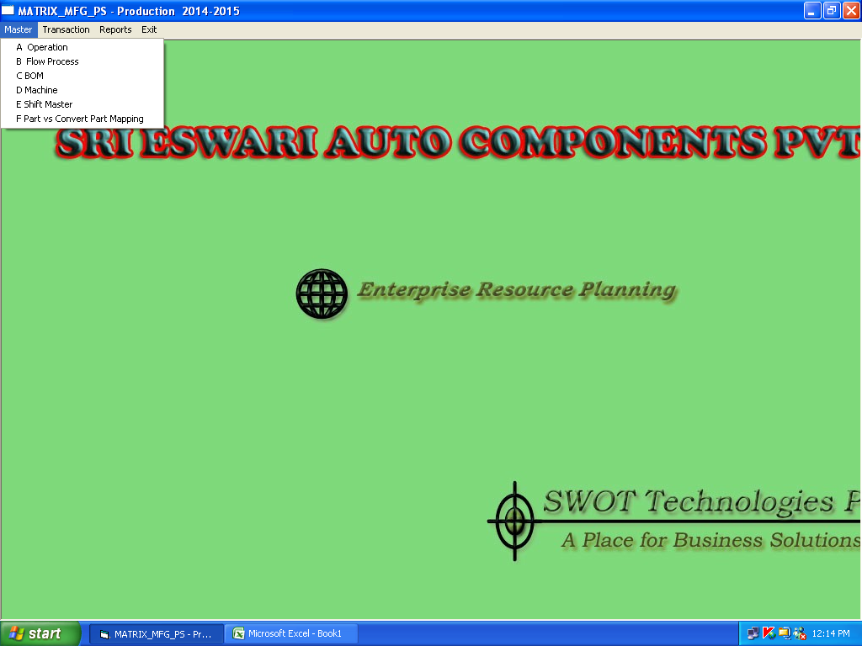

Operation
Flow process
BOM
machine
Tool

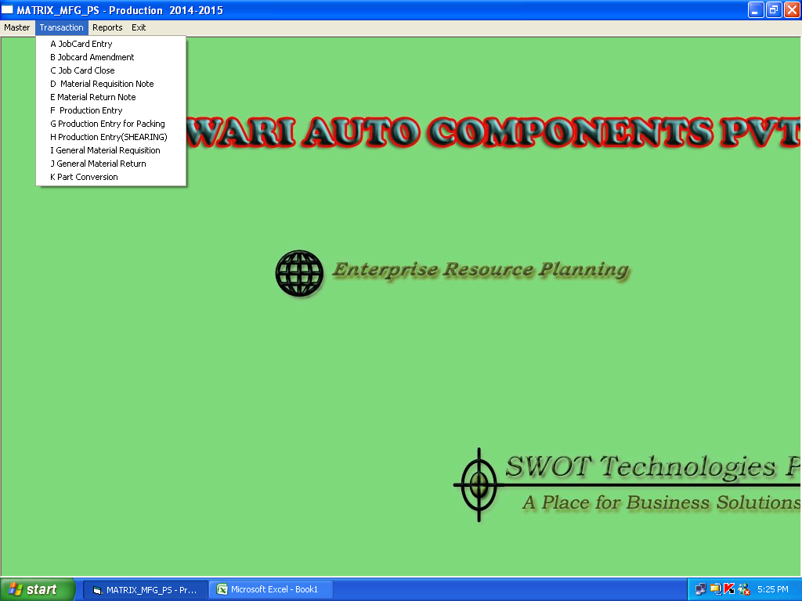

material Issue note
Job card entry
Production Entry
production entry for packing

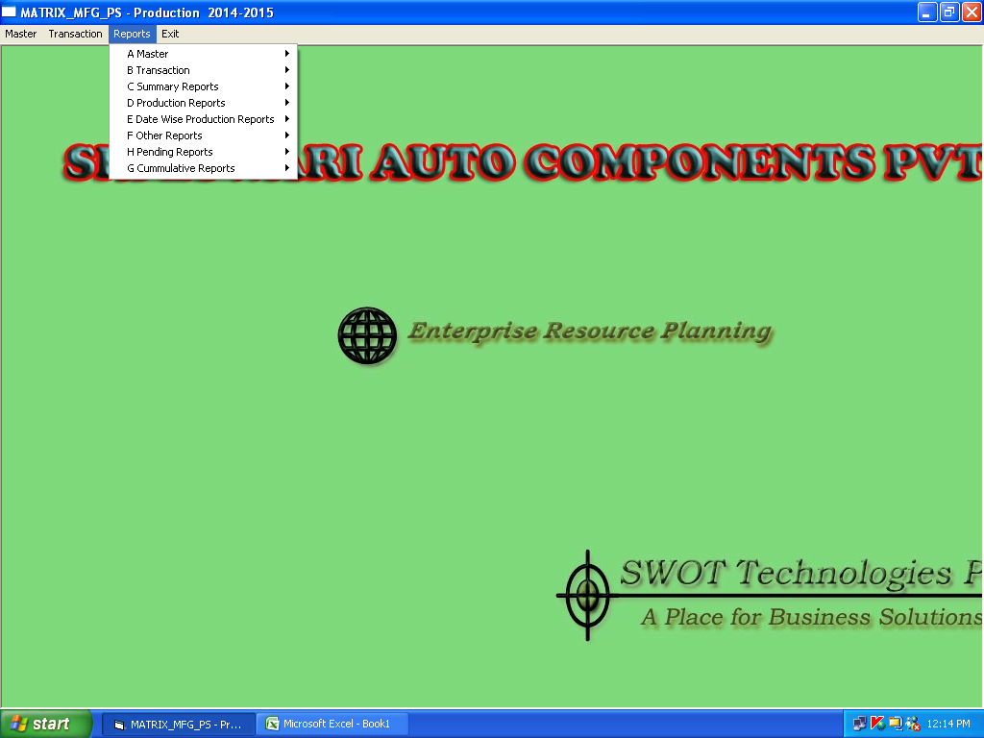

Operation
BOMmachine

Quality
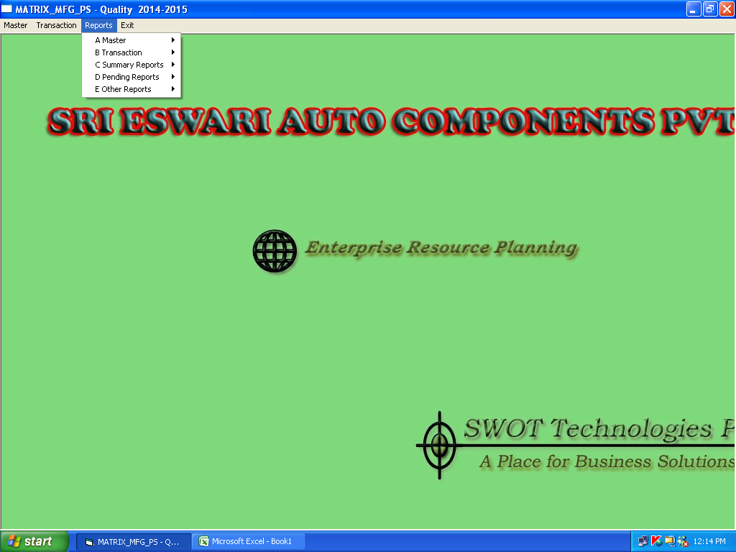
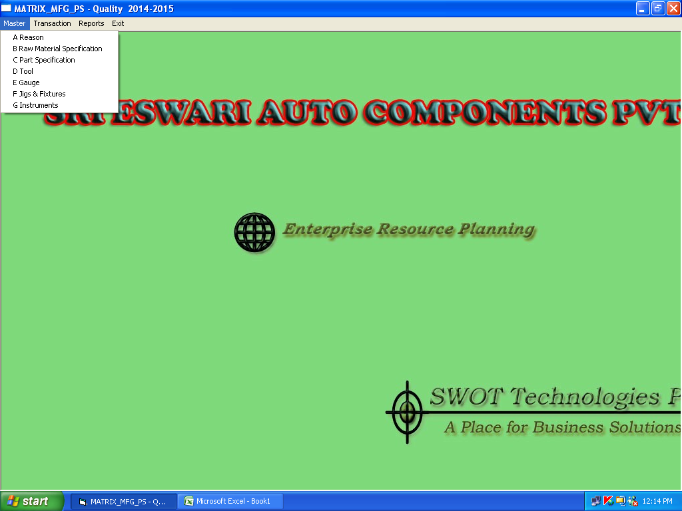

raw material specification
part specification
gauge
jig & fixtures
Instruments

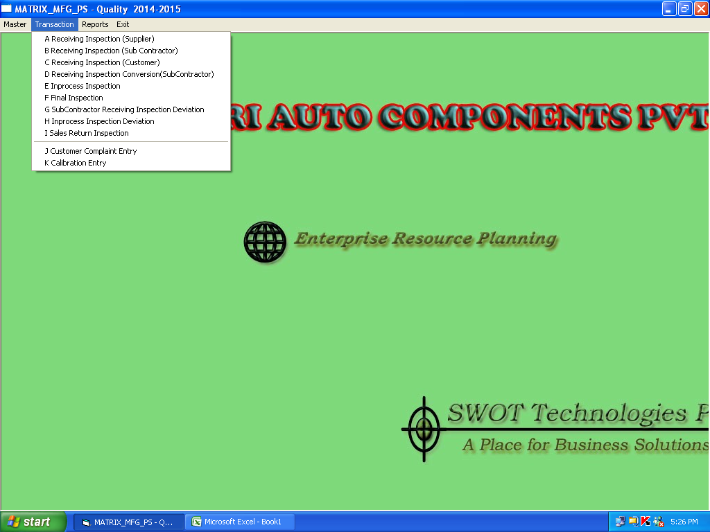

receiving inspection ( supplier)
receiving inspection ( subcontractor)
Final Inspection
customer complaint entry

